nomination
Nomination for Chung-Ang Univ._Summer_Program_2019 ~ Touch the world! ~
* Please note that application process is still needed after the nomination procedure. Please refer to http://causummer.com/

Please support
Touch the World Campaign!
(Click here)
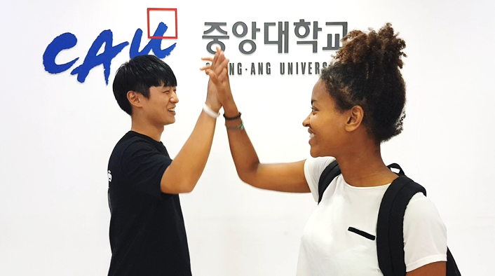
1. Home(Partner or Non-partner) University Information
No | Information | Contents
1 | Country | Taiwan
2 | University's Name | National Dong Hwa University
3 | Outbound Exchange Coordinator's Name | Dylan Hu
4 | Coordinator's Email | ice@gms.ndhu.edu.tw
5 | Coordinator's Office Telephone Number | -8904224
6 | Mailing Address (for Transcript) | *Address: | No. 1, Sec. 2, Da Hsueh Rd., Shoufeng
 |  | *City: | Hualien
 |  | *Postal Code: | 97401

2. Nominated Students List for CAU International Program

No | First Name(Given) | Last Name(Family) | Gender(Sex) | Study Level (Undergraduate/Master) | Major at Home (College/Major) | Country (where home Univ. is located in) | Home University | Nationality | Student's email | Session (1 or 2) | Remarks
1
2
3
4
5
6
7
8
9
10
*Please feel free to add more information of your students if you will send more than 10 students.
*Please nominate yoru students by End of April

